MedidorCO2_ver2
Designator | Quantity | Value | Description | Packgage
BT1 | 1 | BS-7 | MPD BS-7 CR2032 Holder with PC pins
C1, C2, C3, C4, C5, C6, C7, C8, C9, C10,C11 | 11 | 100nF | Ceramic Capacitor, X7R, 25V, 10% | 2012 (0805)
C12, C13 | 2 | 22uF | Ceramic Capacitor, X5R, 25V, 10%, (GRT31CR61E226KE01L) | 3216 (1206)
D1, D2, D3, D4, D5, D6, D7, D8, D9, D10 | 10 | IN-PI554FCH | 5050 RGB LED 4-Pin With Integrated IC, INOLUX, IN-PI554FCH
D11 | 1 | SS34 | SS34 Diode Schottky 40 V 3A Surface Mount DO-214AB (SMC) | SMC (DO-214AB)
L1 | 1 | 22uH | Inductor SMRH74-220MT
LS1 | 1 | Buzzer 5V | Electromagnetic Buzzer, 85 DB, 5 VDC, 2300 HZ, Through-Hole 7.6mm lead spacing | 12mm Dia
P1 | 1 | B3B-XH-A | JST Through-hole type shrouded header, 3-Pin, 2.5mm
P2 | 1 | Oled | Header, 4-Pin, Single row pitch 2.54mm Straight
P3 | 1 | uSD | Header, 6-Pin, Single row pitch 2.54mm
Q1 | 1 | MMBT3904 | NPN Switching Transistor | SOT23_N
Q2 | 1 | BSS138 | N-Channel Power MOSFET | SOT-23_N
R1, R4, R5 | 3 | 10k | Resistor | 2012 (0805)
R2 | 1 | 1k | Resistor | 2012 (0805)
R3 | 1 | 470 | Resistor | 2012 (0805)
R6, R7 | 2 | 4.7k | Resistor | 2012 (0805)
R8 | 1 | 15k - 1% | Resistor | 2012 (0805)
R9 | 1 | 110k - 1% | Resistor | 2012 (0805)
S1 | 1 | SW-PB-6x6 | Tactile Switch SPST-NO Through Hole. H=25mm, A=3mm.
U1 | 1 | NodeMCU AMICA | NodeMCU Amica ESP-12E with FTDI CP2102 | 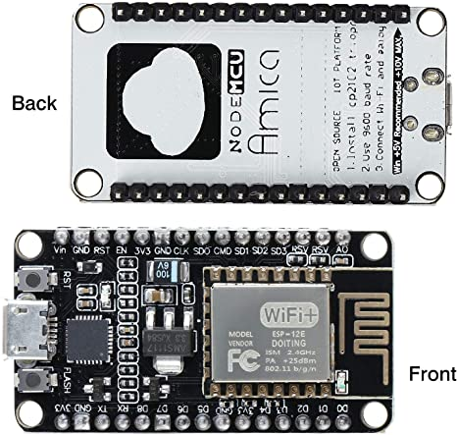
U2 | 1 | MH-Z19C | MH-Z19C NDIR CO2 Sensor for HVAC and IAQ | 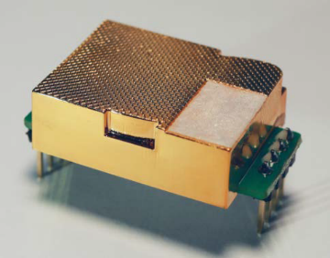
U3 | 1 | DS3231 | Extremely Accurate I2C-Integrated RTC/TCXO/Crystal | SOIC16 - DS3231
U4 | 1 | MT3608 | Boost converter | SOT23-6
W1, W2, W3 | 3 | UL
W4, W5, W6 | 3 | Jumper | RES 0 OHM JUMPER 1/10W (RC0603JR-070RL) | 1608 (0603)
The Modules U1 and U2 must be mounted on Female pins headers |  |  |  | 